Sheet1
소프트 밸리데이션
3 | 소프트웨어 도식
 | 3-1 | Block diagram

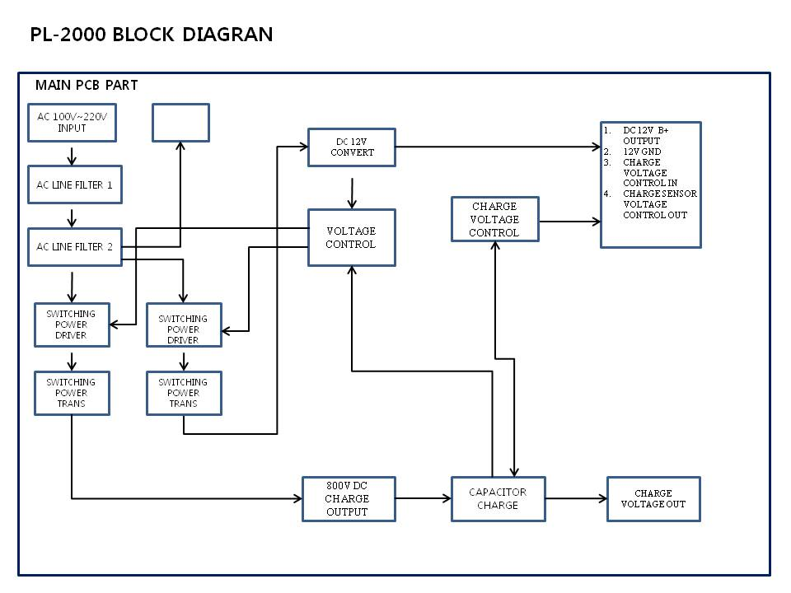

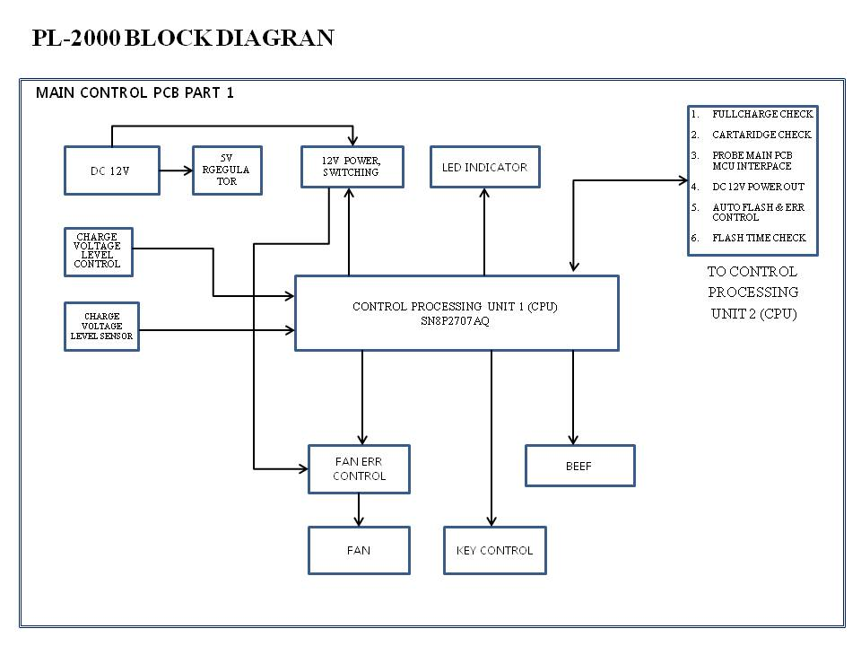

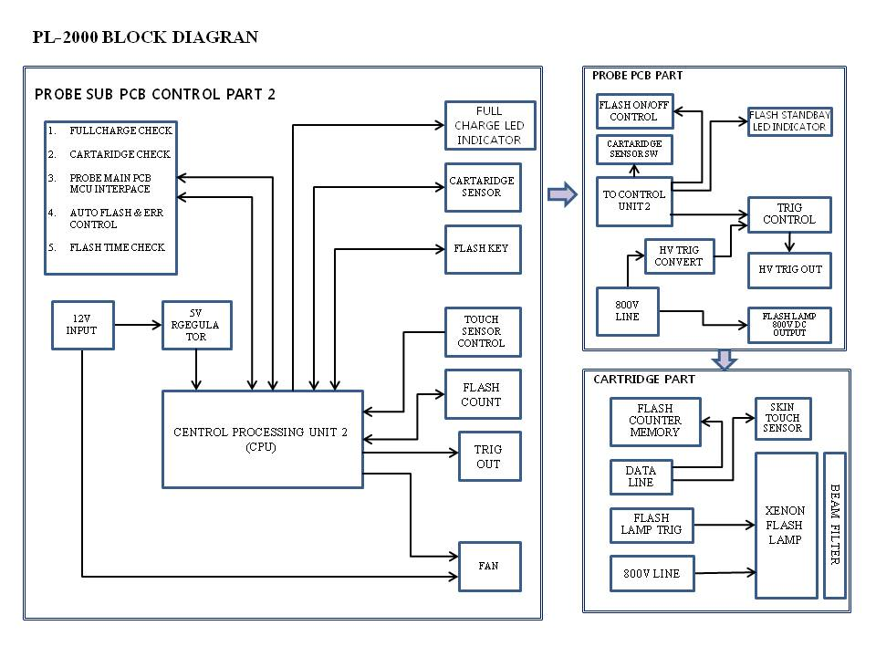

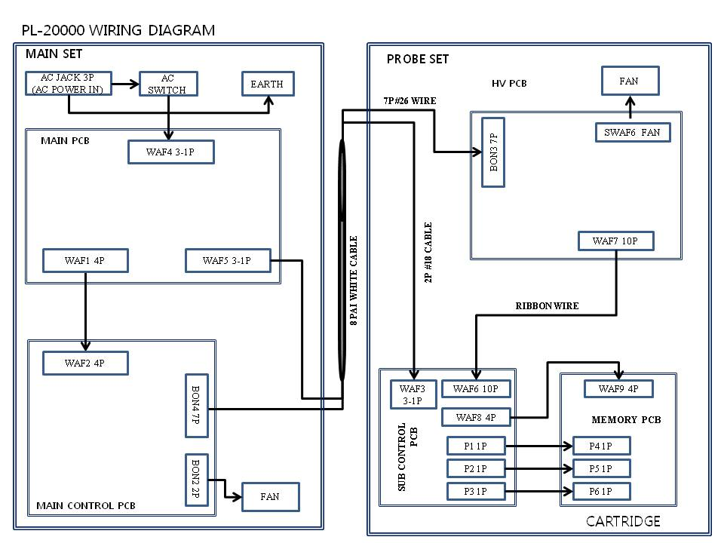

 | 3-2 | Program Language
 |  |  | SN8P2707AQ | C LANGUAGE
 |  |  | SN8P2602BS | ASSEMBLER

 | 3-3 | Software Platform(설계도)

 | * | SN8P2707AQ
 |  | 변수 | 자료명 | 범위 | 형식
 |  | FullSign | data | 0x33~0x43 | 문자
 |  | AutoSign
 |  | LevelLowUsed
 |  | Tc0rBuf
 |  | adc_result
 |  | debug_check
 |  | MaxState
 |  | MuteSign
 |  | BeepCnt
 |  | Power2602
 |  | LockSign
 |  | CurrentState
 |  | AllState
 |  | two_beep_flag
 |  | aux_counter
 |  | aux_flag
 |  | music_n
 |  | Flag2p5ms |  | 0x4F
 |  | KeyPER1 |  | 0x51~0x53
 |  | KeyValue2
 |  | cartridge_count
 |  | cartridge_hcount |  | 0x0C
 |  | cartr_hcount1 |  | 0x0E~0x13
 |  | cartr_hcount2
 |  | cartr_hcount3
 |  | level_count
 |  | beep_set
 |  | debug_count
 |  | Second0p5Flag |  | 0x1D~0x25
 |  | Second0p5Flag2
 |  | Second0p5Counter
 |  | Minute
 |  | KeyValue
 |  | FlashLifeType
 |  | Chip2602Stable
 |  | ErrorFlag
 |  | cartridge_buffer

 | * | SN8P2602BS

 |  | CurrentKey | data | 0x00~0x24 | ASSEMBLER
 |  | LastKey
 |  | KeyCount
 |  | Second
 |  | TimeCount
 |  | dataOut
 |  | DelayCount
 |  | counter
 |  | dataIn
 |  | UseCounterHigh
 |  | UseCounterLow
 |  | UseCounterHigh1
 |  | UseCounterLow1
 |  | FlashTrigTime
 |  | KeyValue
 |  | Flags
 |  | Flags2
 |  | Flags3
 |  | delay_err
 |  | debug_count
 |  | skin_delayCounter
 |  | level_h_counter
 |  | level_counter
 |  | life_plus
 |  | cartr_counter
 |  | auto_delayCount
 |  | type_lamp
 |  | type_lamp2
 |  | type_lamp3
 |  | eep_count
 |  | last_life_plus
 |  | UseCounterHigh2
 |  | UseCounterLow2
 |  | UseCounterflag
 |  | Chip2602Stable
 |  | ErrorFlag
 |  | cartridge_buffer
 |  | FlashKeySign | bit | 0x0E | 바이너리
 |  | FullChargeSign
 |  | SmallFanSign
 |  | TouchSkinSign
 |  | Glass1Sign
 |  | Glass2Sign
 |  | AutoFlashSign
 |  | SEND_MAK |  | 0x0F
 |  | CHECK_SAK
 |  | SIGN_5MS
 |  | SIGN_EEP_ADD
 |  | f_lamp_max |  | 0x10
 |  | debug_flag
 |  | auto_1time
 |  | f_lamp_check
 |  | cartrige_s1
 |  | cartrige_s2
 |  | f_manual_once
 |  | f_erro
 |  | SmallFanSign1 |  | 0x11
 |  | EPP_MAX
 |  | UseCounterR1 equ |  | 0x24

 | * | SN8P2707AQ
 |  | 변수 | 자료명 | 수용범위 | 한계 | 기본값
 |  | FullSign | data | 0x33~0x43 | 000H-17FH | 0x00
 |  | AutoSign
 |  | LevelLowUsed
 |  | Tc0rBuf
 |  | adc_result
 |  | debug_check
 |  | MaxState
 |  | MuteSign
 |  | BeepCnt
 |  | Power2602
 |  | LockSign
 |  | CurrentState
 |  | AllState
 |  | two_beep_flag
 |  | aux_counter
 |  | aux_flag
 |  | music_n
 |  | Flag2p5ms |  | 0x4F
 |  | KeyPER1 |  | 0x51~0x53
 |  | KeyValue2
 |  | cartridge_count
 |  | cartridge_hcount |  | 0x0C
 |  | cartr_hcount1 |  | 0x0E~0x13
 |  | cartr_hcount2
 |  | cartr_hcount3
 |  | level_count
 |  | beep_set
 |  | debug_count
 |  | Second0p5Flag |  | 0x1D~0x25
 |  | Second0p5Flag2
 |  | Second0p5Counter
 |  | Minute
 |  | KeyValue
 |  | FlashLifeType
 |  | Chip2602Stable
 |  | ErrorFlag
 |  | cartridge_buffer

 | * | SN8P2602BS
 |  | 변수 | 자료명 | 수용범위 | 한계 | 기본값
 |  | CurrentKey | data | 0x00~0x24 | 000H-OFFH | 0x00
 |  | LastKey
 |  | KeyCount
 |  | Second
 |  | TimeCount
 |  | dataOut
 |  | DelayCount
 |  | counter
 |  | dataIn
 |  | UseCounterHigh
 |  | UseCounterLow
 |  | UseCounterHigh1
 |  | UseCounterLow1
 |  | FlashTrigTime
 |  | KeyValue
 |  | Flags
 |  | Flags2
 |  | Flags3
 |  | delay_err
 |  | debug_count
 |  | skin_delayCounter
 |  | level_h_counter
 |  | level_counter
 |  | life_plus
 |  | cartr_counter
 |  | auto_delayCount
 |  | type_lamp
 |  | type_lamp2
 |  | type_lamp3
 |  | eep_count
 |  | last_life_plus
 |  | UseCounterHigh2
 |  | UseCounterLow2
 |  | UseCounterflag
 |  | Chip2602Stable
 |  | ErrorFlag
 |  | cartridge_buffer
 |  | FlashKeySign | bit | 0x0E | 000H-OFFH | 0x00
 |  | FullChargeSign
 |  | SmallFanSign
 |  | TouchSkinSign
 |  | Glass1Sign
 |  | Glass2Sign
 |  | AutoFlashSign
 |  | SEND_MAK |  | 0x0F
 |  | CHECK_SAK
 |  | SIGN_5MS
 |  | SIGN_EEP_ADD
 |  | f_lamp_max |  | 0x10
 |  | debug_flag
 |  | auto_1time
 |  | f_lamp_check
 |  | cartrige_s1
 |  | cartrige_s2
 |  | f_manual_once
 |  | f_erro
 |  | SmallFanSign1 |  | 0x11
 |  | EPP_MAX
 |  | UseCounterR1 equ |  | 0x24

4 | Software 성능 요구사항
 |  | Function |  | Requirement | Design | Control
 |  | Key | Operation Mode | Control operation mode | IPL Mode toggle | CPU1,2
 |  |  | IPL Pulse width mode more/less | Pulse on time control | 1~125msec(step 1msec) | CPU1,2
 |  |  | IPL Pulse delay more/less | Pulse off time control | 5~500msec(step 1msec) | CPU1,2
 |  |  | IPL Output power more/less | Output power control | 5~40msec(step 1msec) | CPU1,2
 |  |  | IPL Temperature more/less | Temperature control | -5ºC~25ºC (step 1ºC) | CPU1,2
 |  | Display | IPL Pulse type | NO Display | Single | CPU1,2
 |  |  | IPL Pulse width | NO Display | Range : 1~125 msec | CPU1,2
 |  |  | IPL Delay time | NO Display | Range : 5~500 msec | CPU1,2
 |  |  | IPL Output power | LED Level indicator | Range : 15~25J / cm2 | CPU1,2
 |  |  | operation | Flash lamp on/off | Detect hand/foot switch | CPU1,2

5 | Software 관리기준
 | 5-1 | 사용자와 기기간의 중요 관리항목
 |  | User Menual inside interface specification ( 푸로맥스 사용설명서 사용 )

 | 5-2 | 사용시 기능 요구사항
 |  | User Menual inside interface specification ( 푸로맥스 사용설명서 사용 )

 | 5-3 | 적용 연산방식
 |  | Applied Digital and analog

 | 5-4 | 빛의 파장 설계한도 ( 푸로맥스 석영 적용 참고사항 )
 |  |  | 미백효과 | 430nm~1200nm ?
 |  |  | 여드럼 완화 | 430nm~1200nm ?
 |  |  | 기미 완화 | 430nm~1200nm ?
 |  |  | 제모효과 | 530nm~800nm ?

 | 5-5 | 설계상 기기의 사용한계 (푸로맥스 램프수명 적용 )
 |  |  | Device limitation due td software

 | 5-6 | 설계특성의 복구
 |  |  | Recovery characterist

 | 5-7 | 내부회로 체크사항
 |  |  | Internal C, or assembler

 | 5-7 | 동작시간및 기억장치

 |  | Operate time | Normal mode Flash time | Level 1 | 3.5s more/less
 |  |  |  | Level 2 | 3.5s more/less
 |  |  |  | Level 3 | 3.5s more/less
 |  |  |  | Level 4 | 4.5s more/less
 |  |  |  | Level 5 | 4.5s more/less
 |  |  |  | Level 6 | 4.5s more/less
 |  |  |  | Level 7 | 5.5s more/less
 |  |  |  | Level 8 | 5.5s more/less
 |  |  | Auto Mode Flash time | Level 1 | 5s more/less
 |  |  |  | Level 2 | 5s more/less
 |  |  |  | Level 3 | 5s more/less
 |  |  |  | Level 4 | 5s more/less
 |  |  |  | Level 5 | 5s more/less
 |  |  | No use auto off time | All | 10 minute
 |  | Memory | Device | Memory(RAM) | Memory(ROM)
 |  |  | SN8P2707AQ MCU | 256*8bit | 4k*16bit
 |  |  | SN8P2602BS MCU | 48*8bit | 1k*16bit
 |  |  | 11LC010 EEP ROM |  | 1k bit
9 | 소프트외어 시험(검증)
 |  |  | Unit test & all system test

4-1 | 소프트 인터페이스의 정의

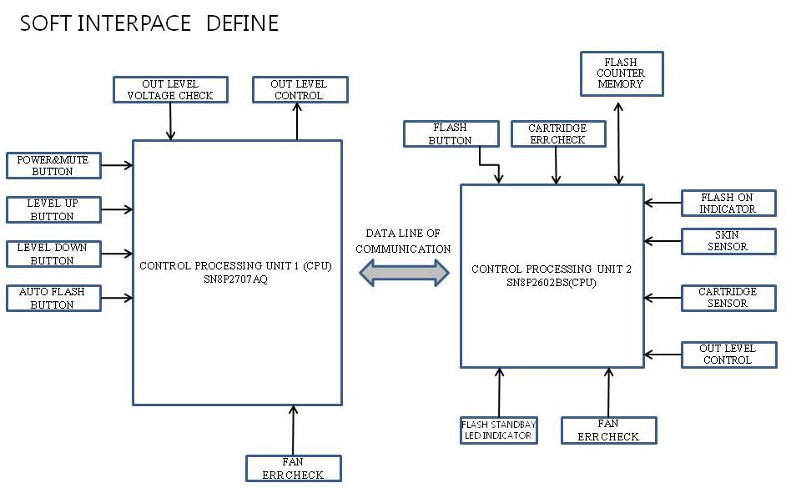

 |  | 출력모쥴 입력모쥴 | UP/DOWN BUTTON | 전원 ON/OFF BUTTON | 피부 접촉 감지 센서 | 카드리지 유무센서
 |  | LED 기능표시 | 1~8 단계 Level 표시 | Power | x | Error 표시
 |  | LED 레벨표시 | 1~8 단계 | x | x | x
 |  | LED 동작표시 | x | x | 접촉시 flash standby | x

4-2 | 하드웨어 링크
 | SN8P2707AQ

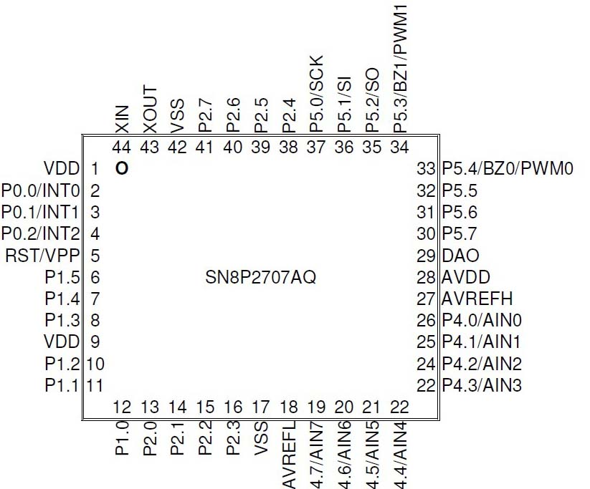
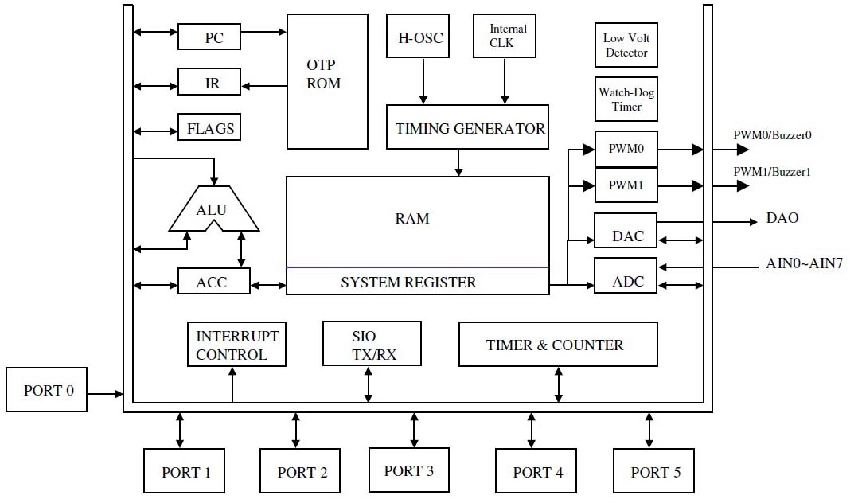

 | SN8P2602B

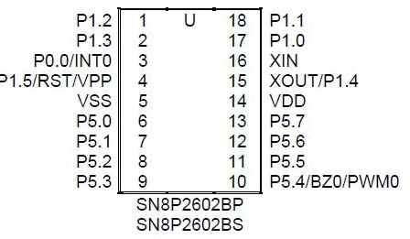
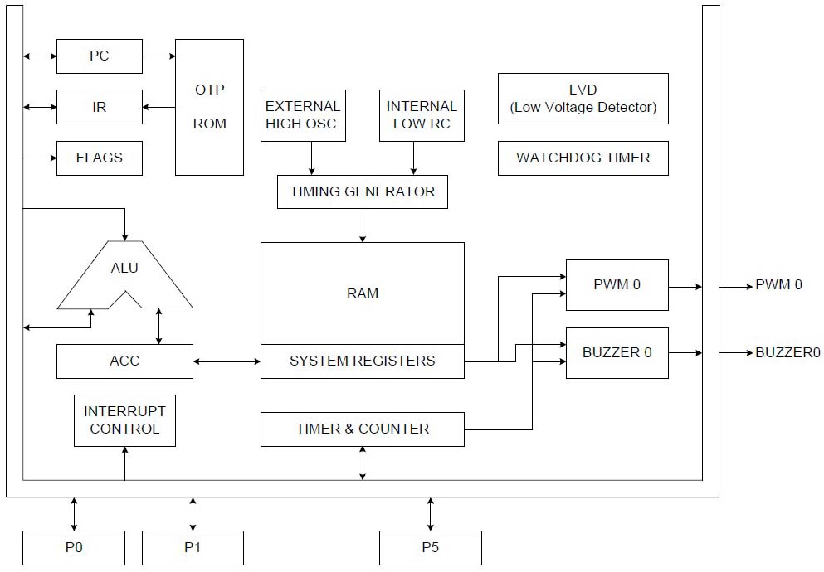

 | EEP ROM_11LCO10

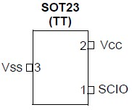
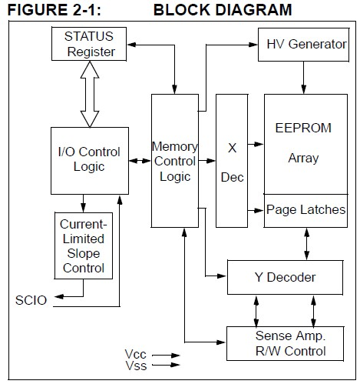

 |  | 구분 | 링크 |  | 역할
 |  | ALU | Program count, Status and Control, Interrupt, ADC, !/O EEPROM, Analog Comparator |  | MCU의 Brain에 해당하며 값들의 계산과 논리비교 데이터 변환의 역할을 담당
 |  | TIMER | Program count |  | 정해진 영역에서 카운터를 증가하거나 감소
 |  | I/O | 1/o Module 1~7 |  | MCU의 외부에서 들어오는 신호를 감지하고 입력받음
 |  | A/D | Analog Comparator |  | 외부의 아나로그 신호를 디지털 신호로 변환
 |  | EEP ROM | ALU&EEP ROM |  | 외부에서 입력된 값을 저장
 |  | Flash Memory | ALU&EEP ROM |  | 펌웨어의 Hex 코드를 저장

 |  | 통합 시스템 시험
 | * | Set-up
 |  | 테스트 케이스 ID | MAIN SET & PROBE SET ( 타사 참고 자료 SET-0001 )
 |  | 목적 | MCU의 포트, 타이머, ADC, 초기화 함수와 변수 데이터, 초기화 프로그램 메모리 명령에 따라 변수를 불러들여 초기화 한다
 |  | 테스트 조건 | 대상 변수들의 값이 초기값과 다른 값을 가지고 있다
 |  | 단계 | 확인대상 |  | 예상출력값 | 실행결과
 |  | 1 | SN8P2602 | P0 | 0x01 | 0x01
 |  | 2 |  | P0M | 0x01 | 0x01
 |  | 3 |  | P0UR | 0x00 | 0x00
 |  | 4 |  | P1 | 0x00 | 0x00
 |  | 5 |  | P1M | 0x06 | 0x06
 |  | 6 |  | P1UR | 0x01 | 0x01
 |  | 7 |  | P1W | 0x00 | 0x00
 |  | 8 |  | P5 | 0x01 | 0x01
 |  | 9 |  | P5M | 0x03 | 0x03
 |  | 10 |  | P5UR | 0xFC | 0xFC
 |  | 11 |  | P5DR | 0x00 | 0x00
 |  | 12 |  | OSCM | 0x00 | 0x00
 |  | 13 |  | T0M | 0xA0 | 0xA0
 |  | 14 |  | T0C | 0x64 | 0x64
 |  | 15 |  | INTEN | 0x10 | 0x10
 |  | 16 |  | INTRQ | 0x00 | 0x00
 |  | 17 |  | STKP | 0x83 | 0x83
 |  | 18 |  | WDTR | 0x5A | 0x5A
 |  | 19 |  | PCL | 0x00 | 0x00
 |  | 20 |  | PCH | 0x00 | 0x00
 |  | 21 |  | STK0L | 0x00 | 0x00
 |  | 22 |  | STK0H | 0x00 | 0x00
 |  | 23 |  | STK1L | 0x00 | 0x00
 |  | 24 |  | STK1H | 0x00 | 0x00
 |  | 25 |  | STK2L | 0x00 | 0x00
 |  | 26 |  | STK2H | 0x00 | 0x00
 |  | 27 |  | STK3L | 0x00 | 0x00
 |  | 28 |  | STK3H | 0x00 | 0x00
 |  | 29 |  | BZM | 0x00 | 0x00
 |  | 30 |  | TC0C | 0x00 | 0x00
 |  | 31 |  | TC0M | 0x00 | 0x00
 |  | 32 |  | TC0R | 0x00 | 0x00
 |  | 33 |  | PEDGE | 0x10 | 0x10
 |  | 1 | SN8P2707 | P0 | 0xFF | 0xFF
 |  | 2 |  | P0M | 0xFF | 0xFF
 |  | 3 |  | P0UR | 0x00 | 0x00
 |  | 4 |  | P1 | 0xFE | 0xFE
 |  | 5 |  | P1M | 0xFE | 0x06
 |  | 6 |  | P1UR | 0x01 | 0x01
 |  | 7 |  | P1W | 0x00 | 0x00
 |  | 8 |  | P2 | 0xF8 | 0xF8
 |  | 9 |  | P2M | 0xF8 | 0xF8
 |  | 10 |  | P2UR | 0x07 | 0x07
 |  | 11 |  | P4 | 0xE0 | 0xE0
 |  | 12 |  | P4M | 0xE4 | 0xE4
 |  | 13 |  | P4UR | 0x19 | 0x19
 |  | 14 |  | P4CON | 0x02 | 0x02
 |  | 15 |  | P5 | 0x15 | 0x15
 |  | 16 |  | P5M | 0xBF | 0xBF
 |  | 17 |  | P5UR | 0x40 | 0x40
 |  | 18 |  | OSCM | 0x00 | 0x00
 |  | 19 |  | T0M | 0xC0 | 0xC0
 |  | 20 |  | T0C | 0x64 | 0x64
 |  | 21 |  | INTEN | 0x10 | 0x10
 |  | 22 |  | INTRQ | 0x00 | 0x00
 |  | 23 |  | STKP | 0x87 | 0x87
 |  | 24 |  | WDTR | 0x00 | 0x00
 |  | 25 |  | PCL | 0x00 | 0x00
 |  | 26 |  | PCH | 0x00 | 0x00
 |  | 27 |  | STK2L | 0x00 | 0x00
 |  | 28 |  | STK2H | 0x00 | 0x00
 |  | 29 |  | STK3L | 0x00 | 0x00
 |  | 30 |  | STK3H | 0x00 | 0x00
 |  | 31 |  | STK4L | 0x00 | 0x00
 |  | 32 |  | STK4H | 0x00 | 0x00
 |  | 33 |  | STK5L | 0x00 | 0x00
 |  | 34 |  | STK5H | 0x00 | 0x00
 |  | 35 |  | STK6L | 0x00 | 0x00
 |  | 36 |  | STK6H | 0x00 | 0x00
 |  | 37 |  | STK7L | 0x00 | 0x00
 |  | 38 |  | STK7H | 0x00 | 0x00
 |  | 39 |  | DAM | 0x00 | 0x00
 |  | 40 |  | TC0M | 0xD1 | 0xD1
 |  | 41 |  | TC0C | 0x00 | 0x00
 |  | 42 |  | TC0R | 0xFF | 0xFF
 |  | 43 |  | PEDGE | 0x10 | 0x10
 |  | 44 |  | TC1M | 0x60 | 0x60
 |  | 45 |  | TC1C | 0x00 | 0x00
 |  | 46 |  | TC1R | 0x00 | 0x00
 |  | 47 |  | ADM | 0xD1 | 0xD1
 |  | 48 |  | ADR | 0x80 | 0x80
 |  | 49 |  | P1OC | 0x00 | 0x00
 |  | 50 |  | SIOM | 0x00 | 0x00
 |  | 51 |  | SIOR | 0x00 | 0x00

 |  | User Input
 |  | 테스트 케이스 ID |  | UI-0001
 |  | 목적 | 기능 스위치의 신호를 감지한다
 |  | 테스트 조건 | 기능 스위치 신호의 Bit를 변화시킨다
 |  | 단계 | 확인대상 |  | 예상출력값 | 실행결과
 |  | 1 | SN8P2707 | 0xF7 | 0xF7 | 0xF7
 |  | 2 |  | 0xFD | 0xFD | 0xFD
 |  | 3 |  | 0xFA | 0xFA | 0xFA
 |  | 4 |  | 0xF7 | 0xF7 | 0xF7
 |  | 5 | SN8P2602 | 0xEF | 0xEF | 0xEF

 |  | User Input
 |  | 테스트 케이스 ID |  | UI-0002
 |  | 목적 | 레벨 스위치의 신호를 감지한다
 |  | 테스트 조건 | 레벨 스위치 신호의 Bit를 감지한다
 |  | 단계 | 확인대상 |  | 예상출력값 | 실행결과
 |  | 1 | SN8P2707 | 0xF7 | 0xF7 | 0xF7
 |  | 2 |  | 0xFE | 0xFE | 0xFE
 |  | 3 |  | 0xFB | 0xFB | 0xFB

 |  | User View
 |  | 테스트 케이스 ID |  | UV-0001
 |  | 목적 | LED 표시에 데이터를 전송한다
 |  | 테스트 조건 | 램프충전 전압을 변화시키며 입력한다
 |  | 단계 | 확인대상 |  | 예상출력값 | 실행결과
 |  | 1 | mode | FLASH | FLASH | FLASH
 |  |  | SN8P2602 Data | 0x20 | 0x20 | 0x20

 |  | User View
 |  | 테스트 케이스 ID |  | UV-0002
 |  | 목적 | 레벌을 선택하여 DISPLAY 한다
 |  | 테스트 조건 | LEVEL 값을 변화시키며 입력한다
 |  | 단계 | 확인대상 |  | 예상출력값 | 실행결과
 |  | 1 | SN8P2707 | 0xFE | 0xFE | 0xFE
 |  | 2 |  | 0xFC | 0xFC | 0xFC
 |  | 3 |  | 0xF8 | 0xF8 | 0xF8
 |  | 4 |  | 0xF0 | 0xF0 | 0xF0
 |  | 5 |  | 0xE0 | 0xE0 | 0xE0
 |  | 6 |  | 0xC0 | 0xC0 | 0xC0
 |  | 7 |  | 0x80 | 0x80 | 0x80
 |  | 8 |  | 0x00 | 0x00 | 0x00

7-3-1 |  | Software Architecture Design Chart (SAD)
 | 7-1 | Software Diagram (Device Firmware)

 | 7-1-1 | SN8P2707 FLOW CHART

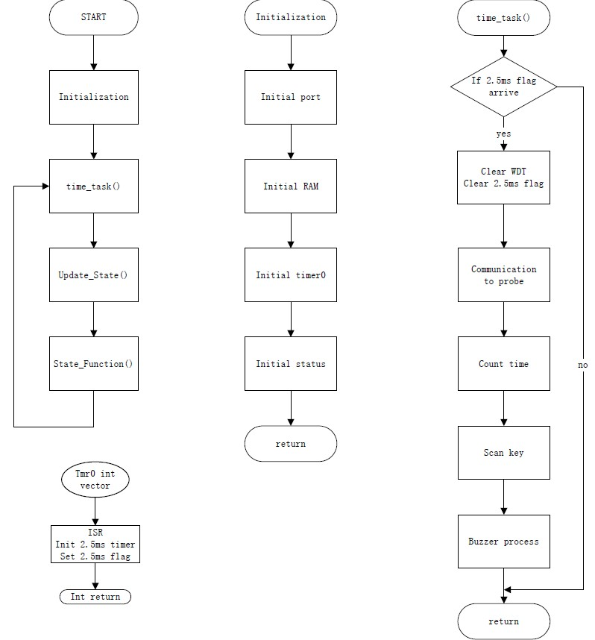
 | 7-1-1-A

 | 7-1-1-B
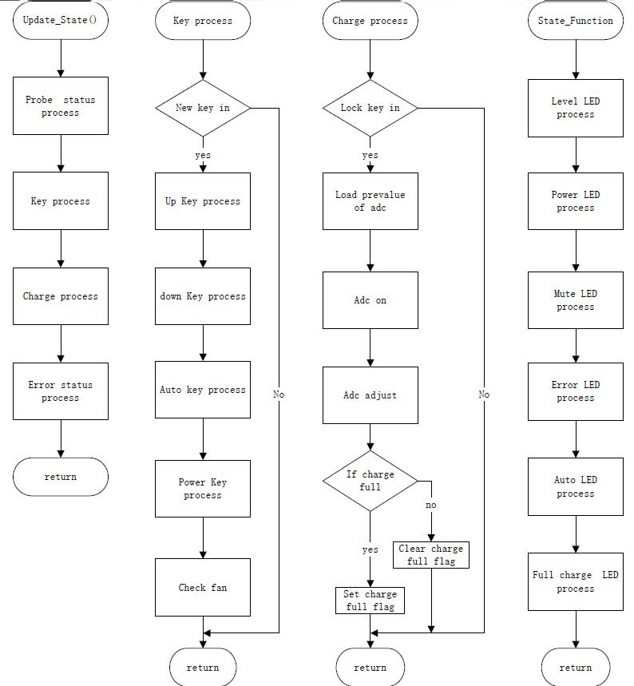

 | 7-1-2 | SN8P2602B FLOW CHART

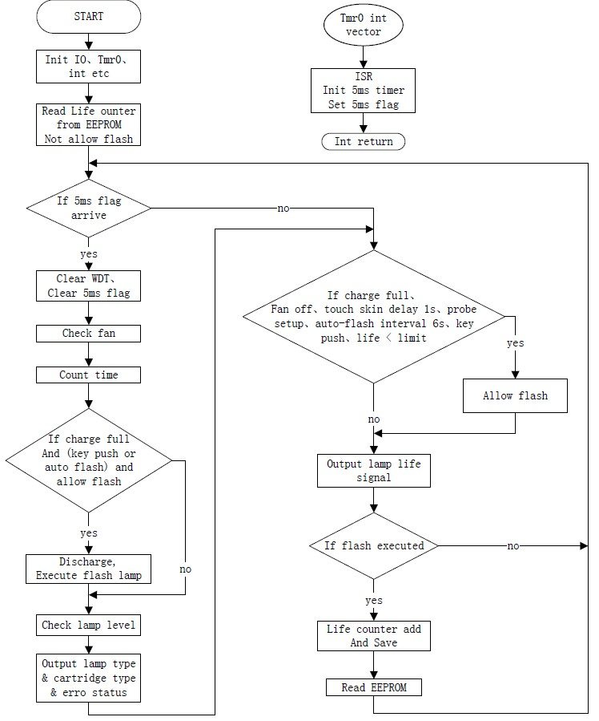

 | 7-2 | Software diagram description
 |  | The software consists with main processor, LED signal data controller and data storage.
 |  | 7.2.1 Main processor
 |  | 1) Level Battery Charge Check: Check the Level of battery charge (3 Level).
 |  | 2) Key Input Control: Check the key input pulse and determine the key function
 |  | 3) Power On/Off: System power on/off and the initial setting
 |  | 4) Mode Selection: Select 25beat measuring mode or 3M measuring mode
 |  | 5) Start/Stop operation: Read the key input control signal and LED signal Data controller signal or Read the Communication with PC signal and LED signal Data controller signal
 |  | 6) Data Calculation: Calculation of Heart rate and Heart pulse
 |  | 7) Display module: Display Battery level, selected mode, calculated data (Heart Rate, Heart Pulse) and number of stored records
 |  | 8) Delete the data: Delete the stored data
 |  | 9) Communication with PC: Communication with PC and the system
 |  | 7.2.2 LED signal data Controller
 |  | 1) Check the finger in/out and converter the LED signal to data
 |  | 7.2.3 Data storage management
 |  | 1) Store or delete the calculated data (Heart rate and Heart pulse)

 | 7-3 | Software Architecture Design Specification (Device Firmware)
 |  | 7.3.1 Initialization

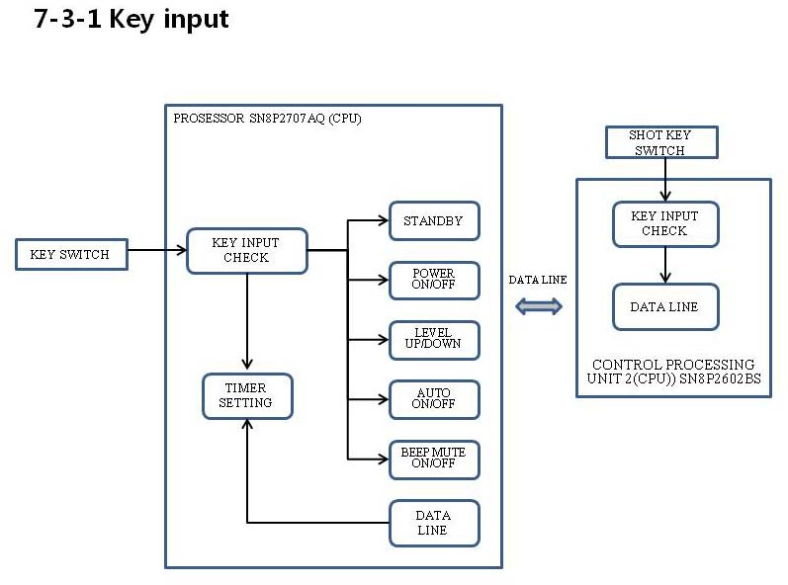

 |  | Identification | Function | Description
 |  | Initialization key input | Power On | 1. power&mute switch input
 |  |  |  | 2. Read Key input pulse time (Long pulse) check
 |  |  |  | * Power standby
 |  |  |  | 3. The Same time +&- Level switch input
 |  |  |  | 4. Read key input same time check and (long pulse) input
 |  |  | Power Off | 5. power&mute switch input
 |  |  |  | 6. Read key input pulse time ( long pulse ) check
 |  |  | Mute | 8. power&mute switch input
 |  |  |  | 9. Read key input pulse time (Short time) check
 |  |  | Auto shot | 1. Auto switch input
 |  |  |  | 2. Read key input pulse ( Normal time ) check
 |  |  | Level selection | 1. Level +,- switch input
 |  |  |  | 2. Reade Key Input pulse time (Short pulse) check

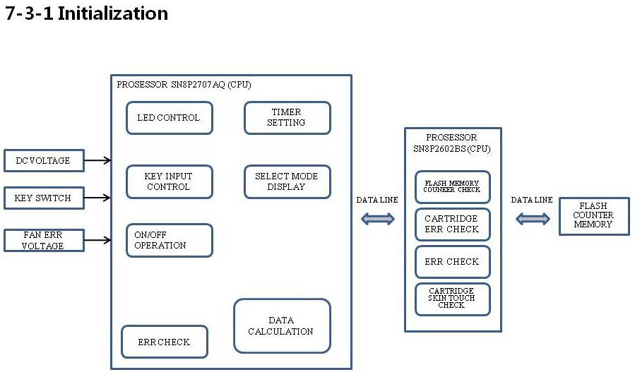

 |  | Identification | Function | Description
 |  | Initialization structure | cartridge err check | 1. IC11(SN8P2602BS) PIN8 and pin 9 HIGH LEVEL CHECK
 |  |  | Flash lamp Life time Memory | 1. IC16(11LC010) EEP ROM Memory check
 |  |  | timer seting | 1. key Use time check
 |  |  |  | 2. capacitor charge time check
 |  |  |  | 3. Flash after charge time check
 |  |  | skin touch | 1. skin sensor SN8P2602 PIN10 input Voltage check
 |  |  | Fan err | 1. IC8(SN8P2707) PIN22 LEVEL CHECK
 |  |  |  | 2. IC11(SN8P2602BS) PIN11 LEVEL CHECK
 |  |  | Level selection | IC8(SN8P2707) PIN26 VOLTAGE CHECK
 |  |  | Auto shot selection | 1, Level 5 Max
 |  |  |  | 2. Skin sensor on check
 |  |  | Mode display | 1. LED Display

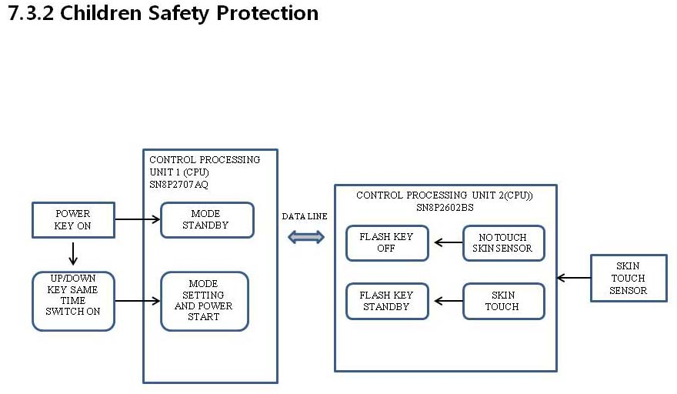

 |  | Identification | Function | Description
 |  | Children Safety Protection | Power | Power start After standby and two key the same time press After power ON
 |  |  | Flash | No touch Skim no flash.
 |  |  | Cartridge check | Cartridge not insert no flash

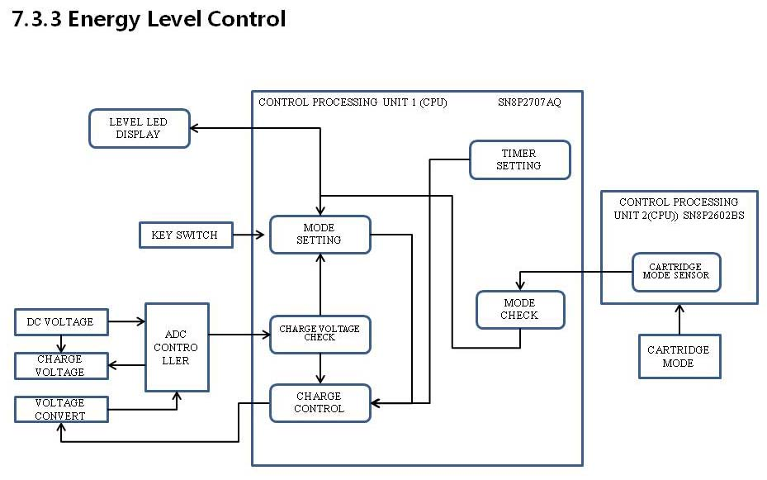

 |  | Identification | Function | Description
 |  | Energe Level Control | Normal Level | IC8(SN8P2707) Pin25 voltage level check control (Level 1~8)
 |  |  | Auto Level | IC8(SN8P2707) Pin25 voltage level check control (Level 1~5)
 |  |  | Cartridge check | IC11(SN8P2602) Pin8,9 voltage level check (1~5, Level 1~3)

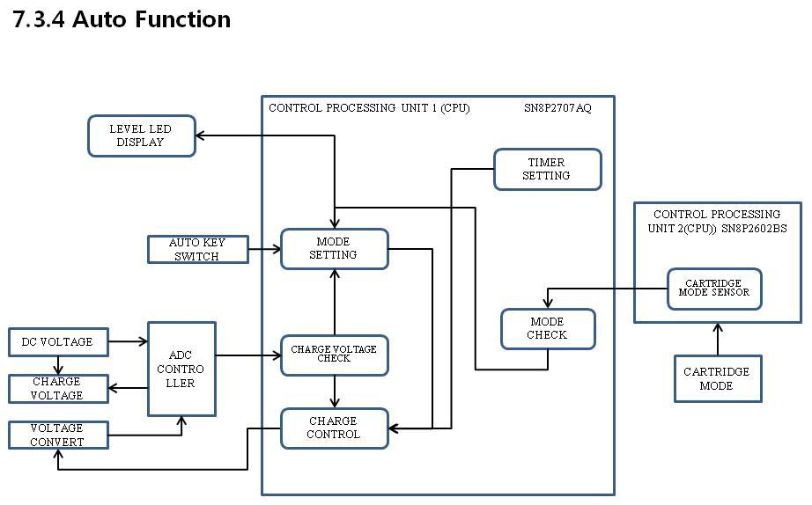

 |  | Identification | Function | Description
 |  | Auto Function | Level Check | IC8(SN8P2707 pin25) voltage level (Level 1~5)
 |  |  | Cartridge check | IC11(SN8P2602 pin8,9) voltage level (1~5, Level 1~3 Level )

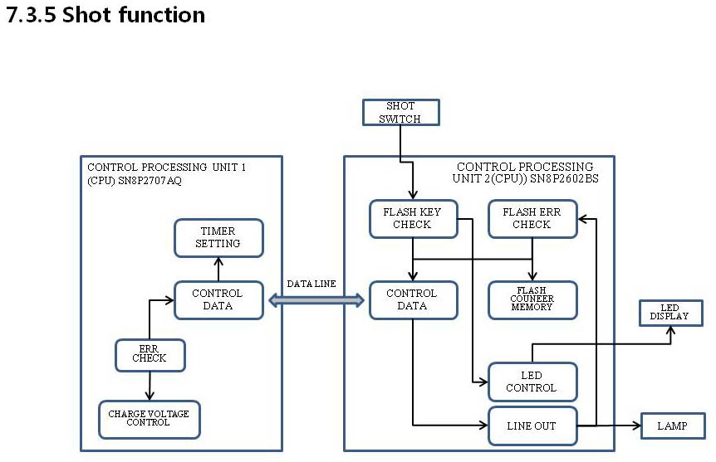

 |  | Identification | Function | Description
 |  | Shot Function | chagge voltage check | IC8(SN8P2707) pin25 voltage Level Full charge check (Level 1~8)
 |  |  | skin touch check | IC11(SN8P2602) PIN10 voltage level check

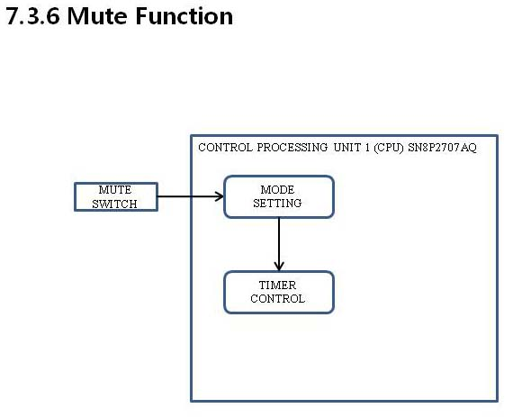

 |  | Identification | Function | Description
 |  | Mute Function | Power / Mute switch | IC8(SN8P2707) pin34 off

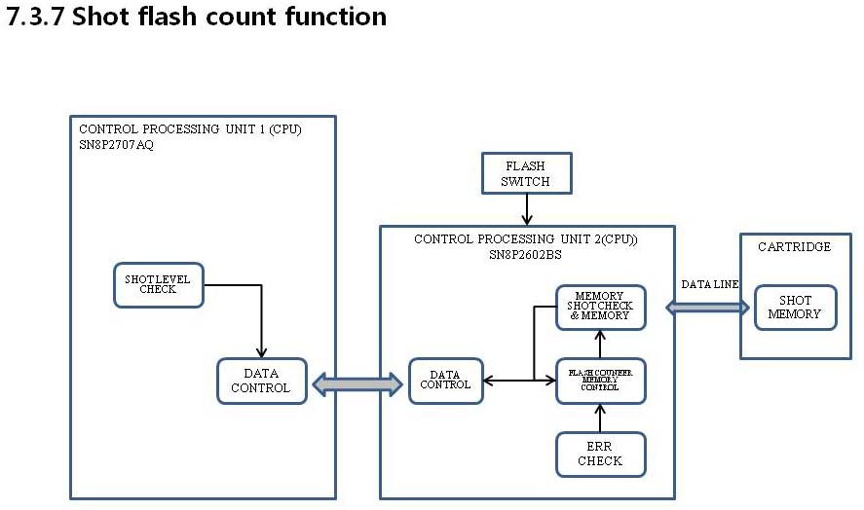

 |  | Identification | Function | Description
 |  |  | Memory count check | Memory check (IC16 11LC010 EEP ROM)
 |  | Shot flash count Function | Count memory | Charge Level check (Level 1~3) One time Use memory
 |  |  |  | Charge Level check (Level 4~5) Three time Use memory
 |  |  |  | Charge Level check (Level 6~8) five time Use memory
 |  |  | Max use time memory check | Max shot Memory check (Max 30, 000 time use)

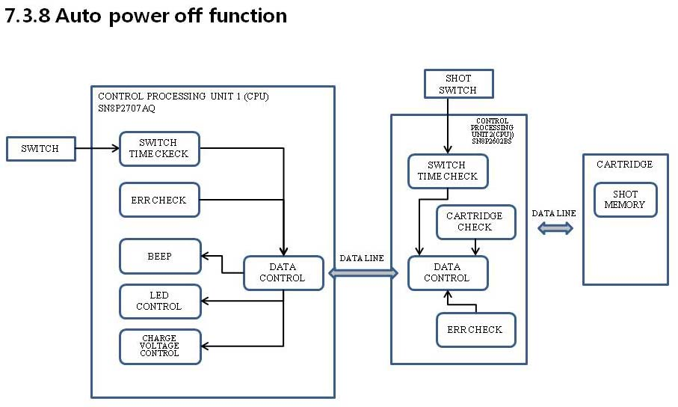

 |  | Identification | Function | Description
 |  | Auto power off Function | Auto charge off | Fan err
 |  |  |  | Cartridge err
 |  |  |  | Charge over time err
 |  |  |  | Shot memory over err
 |  |  | Auto power off | Key use of the Lapse time ( All key ten minute ) err

 | 8. | Software Design Specification (SDS)

